Sheet1
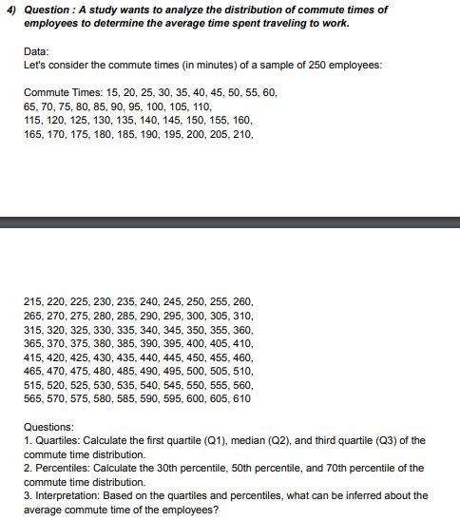
15 | 325 | ANSWERS
20 | 330 | QUARTILE | Q1 | 161.25
25 | 335 |  | Q2 | 312.5
30 | 340 |  | Q3 | 463.75
35 | 345 | PERCENTILE
40 | 350 |  | 30th | 191.5
45 | 355 |  | 50th | 312.5
50 | 360 |  | 70th | 433.5
55 | 365 | INTERPRETATION | 1. Quartile: The quartiles are divided into three parts i.e: Q1 or Lower Quartile which is from 15 to 161.25, the median or the Q2 quartile is from 161.25 to 312.5 and 463.75 to 610, Q3 or the upper Quartile is from 312.5 to 463.75.
60 | 370 |  | 2. Percentile: 30% of the time is equal to or below 191.5 minutes, 50% of the time is equal to or below 312.5 minutes, 70% of the time is equal to below 433.5 minutes.
65 | 375
70 | 380
75 | 385
80 | 390
85 | 395
90 | 400
95 | 405
100 | 410
105 | 415
110 | 420
115 | 425
120 | 430
125 | 435
130 | 440
135 | 445
140 | 450
145 | 455
150 | 460
155 | 465
160 | 470
165 | 475
170 | 480
175 | 485
180 | 490
185 | 495
190 | 500
195 | 505
200 | 510
205 | 515
210 | 520
215 | 525
220 | 530
225 | 535
230 | 540
235 | 545
240 | 550
245 | 555
250 | 560
255 | 565
260 | 570
265 | 575
270 | 580
275 | 585
280 | 590
285 | 595
290 | 600
295 | 605
300 | 610
305
310
315
320

